1. Title Page
[Instacart Data Analysis]

Project Name: Instacart Data Analysis
Date: 12/22/2024
Analyst Name: Brent Neri

Contents:
Population Flow
Consistency checks
Wrangling steps
Column derivations
Visualizations
Recommendations

Data Source

"The Instacart Grocery Shopping Dataset 2017", Accessed from https://www.instacart.com/datasets/grocery-shopping-2017 on November 10, 2022

2. Population Flow
Title page

Population flow

Exclusion flag
Condition: max_order < 5
Obervations to be removed: 1,444,295
Final total count of order_products_all: 30,964,564

Orders_products_combined
Orders_products_merged
Orders_products_all

Total: 32,404,858
Total: 32,434,488
Total: 32,404,858

1.) The grey boxes in the first row of the population flow represent the original data sets as they were when you downloaded them. In the Total fields you need to add the count of the rows when you imported the data set into Jupyter.
2.) The second row of boxes (coloured) represents the data sets after you manipulated them, e.g., removed missing values and duplicates. In the Total fields you need to add the count of the rows after conducting these operations. This offers a visual oveview of how the data flows throughout the data consistency checks.
3.) The third row, where also the arrows are coloured, represents the merges you performed between the datasets. In the Total fields you need to add the count of the rows in the merged datasets, so that you end up with the final dataset (in the red box). Keep in mind the final dataset should be without exclusions (based on the exclusion flag).

3. Consistency checks
 |  |  |  | Title page
Consistency checks

Dataset | Missing values | Missing values treatment | Duplicates
orders | 206,209 in the 'days_since_prior_order' column | Flagged as first_order | No duplicates
products | None | Deleted rows missing data | 5 duplicates were deleted
orders_products_prior | None | None | No duplicates
customers | None | None | No duplicates
orders_products_customers | prices over $100 marked as missing | Kept and must have authorized access | No duplicates

4. Wrangling steps
 |  |  |  |  | Title page
Wrangling steps

Columns dropped | Columns renamed | Columns' type changed | Comment/Reason | Comment/Reason
orders | eval_set |  |  | not necessary for analysis
 |  | order_dow |  | ambiguous column name, changed to orders_day_of_week
 |  |  | order_id | changed to string
 |  |  | user_id | changed to string
department |  | index |  | transposed dataset and added an index and new header
 |  |  | user_id | changed to string
customers |  | FIRST_NAME |  | Changed to first_name for consistency
 |  | surnam |  | Change to surname for consistency
 |  | STATE |  | Changed to state for consistency
 |  | Age |  | Changed to age for consistency
 |  | fam_status |  | Changed to marital_status for consistency
 |  | Gender |  | Changed to gender for consistency

5. Column derivations
Column derivations and aggregations

In this tab you should add tables below that the frequences of flags/label variables that you produced after deriving them. NB: don't do this for continuous variables, only for flags.
Dataset | New column | Column/s it was derived from | Conditions
orders | first_order | days_since_prior_order' | NaN
ords_prods_merge | price_range | prices | if prices <= 5 then 'low-range product' if prices >5 & <= 15 then 'mid-range product' if prices > 15 then 'high-range product' else 'not enough data'
ords_prods_merge | busiest_day | orders_day_of_week | if value == 0 then 'busiest day' if value == 4 then 'least busy' else 'regularly busy'
ords_prods_merge | busiest_days | orders_day_of_week | if value == 0 or 1 then 'busiest days' if value == 3 or 4 then 'slowest days' else 'regularly busy'
ords_prods_merge | busiest_period_of_day | hour_of_day | if value == 10 or 11 then 'most orders' if value == 3 or 4 then 'fewest orders' else 'average orders'
ords_prods_merge | loyalty_flag | max_order | if value > 40 then 'loyal customer' if value <= 40 & > 10 then 'regular customer' if value < 10 then 'new customer'
ords_prods_merge | mean_spend | prices | average price per customer
ords_prods_merge | spender_flag | mean_spend | if value > 10 then 'low spender' if value >= 10 then 'high customer'
ords_prods_merge | customer_frequency | days_since_prior_order | if value < 20 then 'non_frequent_customer' if value <= 20 & > 10 then 'regular customer' if value > 10 then 'frequent customer'
orders_products_customers | region | state | State defined into regions according to this List of regions of the United States
orders_products_customers | activity_flag | max_order | if value < 5 then 'low-activity customer' if value >= 5 then 'high-activity customer'
low_activity_excluded | income_group | income | if value > 150000 then 'high income' if value >= 55000 & < 150000 then 'middle income' if value < 55000 then 'low income'
low_activity_excluded | age_group | age | if value > 64 then 'senior' if value > 44 & <= 64 then 'middle-aged' if value > 25 & <= 44 then 'adult' if value <= 25 then 'young adult'
low_activity_excluded | dependants_flag | number_dependants | if value == 0 then 'no dependants' if value >= 1 then 'has dependants'

6. Visualizations
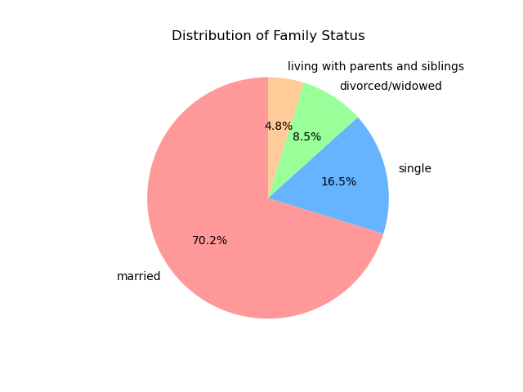
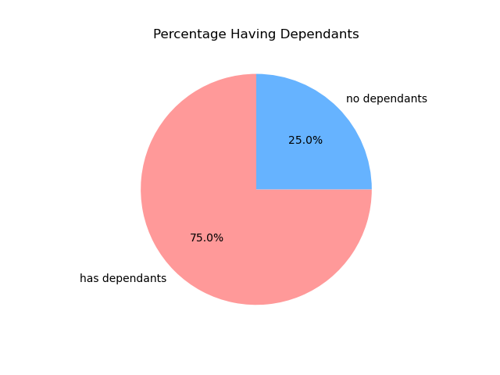

 |  |  |  | Title page

Visualisations

Question
What are the busiest days of the week and hours of the day?
Saturday and Sunday are the busiest day of the week. Tuesday and Wednesday are the least bust days of the week.
Most orders are between 9am and 4pm with a peak at 10am to 11am
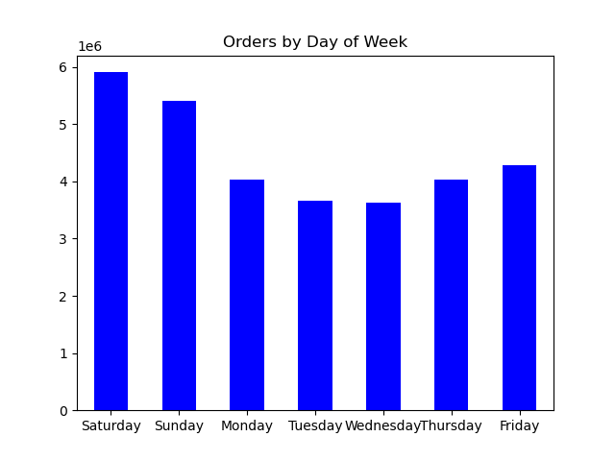


 |  |  | Question
 | Question |  | Are there certain products that are more popular than others?
 | Are there particular times of day when people spend the most money? |  | Produce, Dairy/eggs, snacks, and beverages are the biggest sellers by department
 | Sales are higher in the morning, but it should be noted that this is a small variation. |  | This is both in an age group and a regional breakdown as well.
 | Additionally, sales are higher on the weekends

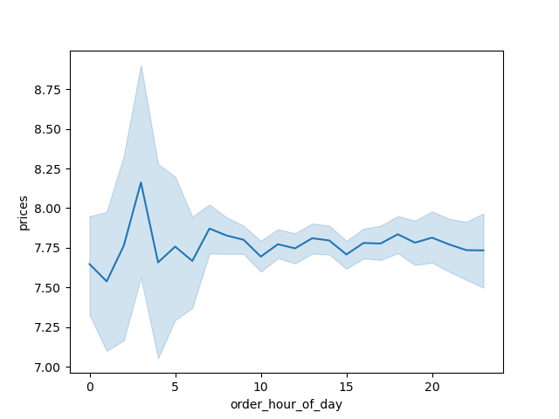
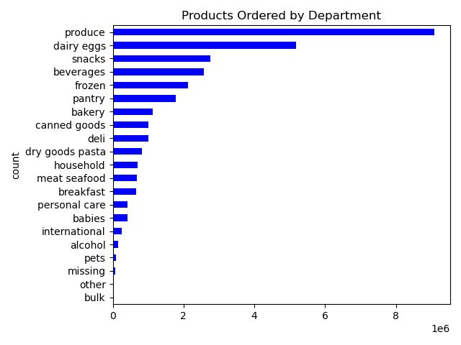

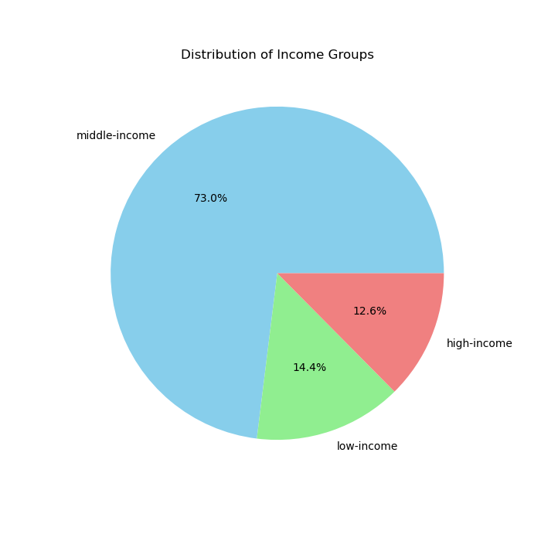

Question
What is the distribution among users as to how often they return to Instacart?
Most cusomers are middle aged.

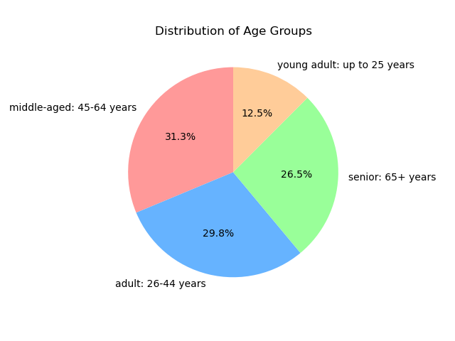

 |  | Question
 |  | Are there differences in ordering habits based on region?
 |  | In South and west have highest sale.

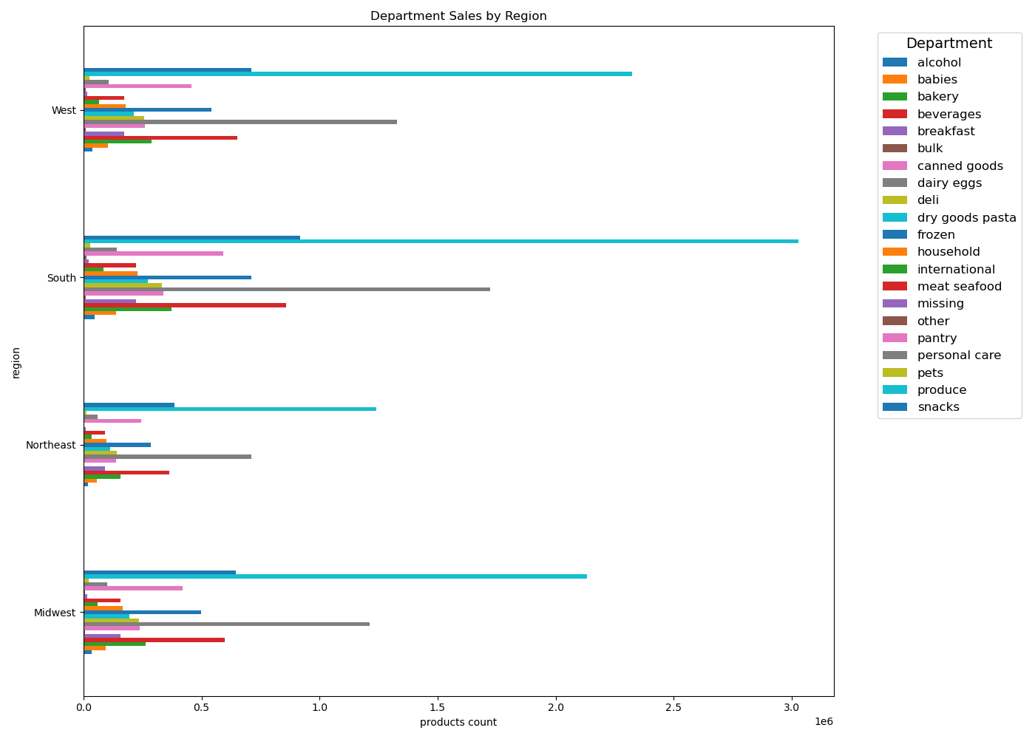

 | Question
 | Is there a connection between age and family status and ordering habits?
 | Most customers are adults, middle age and married .

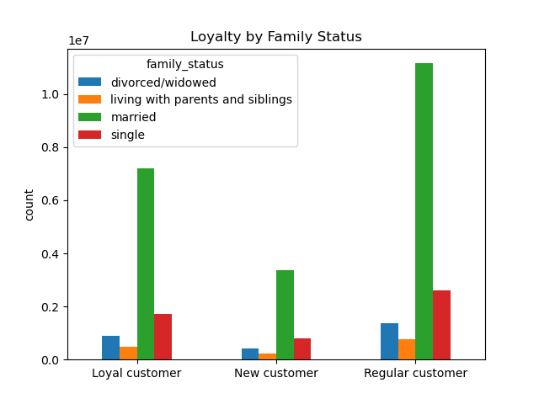
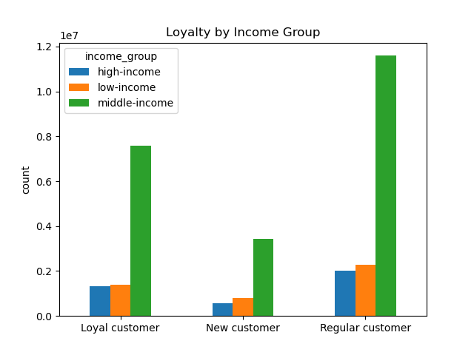

 | Question
 | What different classifications does the demographic information suggest? Age? Income? Certain types of goods? Family status??
 | Most customers are adult or middle-aged, married, and have dependants. Also those in the upper income bracket tend to be over 40.

7. Recommendations
 |  |  | Title page

Recommendations

Question | Answer | Recommendations
What are the busiest days of the week and hours of the day? | Saturday and Sunday are the busiest day of the week. Tuesday and Wednesday are the least bust days of the week. Most orders are between 9am and 4pm with a peak at 10am to 11am. | Sine the middle of the week tends to be less busy, offer sales and coupons specifically for those days to boost sales during the slow times.
Are there particular times of day when people spend the most money? | Sales are higher in the morning, but it should be noted that this is a small variation. Additionally, sales are higher on the weekends. | While sales are slightly higher in the morning and on the weekend, the variations are minimal, typically around 10 - 20 cents. Thsi small difference appears to be more statistical than significant, so no recommendations for this.
Are there certain products that are more popular than others? | Produce, Dairy/eggs, snacks, and beverages are the biggest sellers by department. | Offering coupons and specials on popular items like produce and dairy is recommended to encourage orders. Additionally, providing deals on less popular items such as international products, alcohol, and bulk items can help boost sales in those categories
Are there differences in ordering habits based on loyalty status? | Most customers are considered to be low spenders. | Would instant cart rather have high spenders of frequent shoppers? Discounts on the entire grocery purchase would drive up spending per order, but probably reduce frequency.
Are there differences in ordering habits based on region? | Customers in the South and the West have the largest sales of produce, snacks and dariy/eggs. | Boost advertising and promotions in areas with lower customer traffic
What is the distribution among users as to how often they return to Instacart? Is there a connection between age and family status and ordering habits? What different classifications does the demographic information suggest? Age? Income? Certain types of goods? Family status?? | Most customers are adult or middle-aged, married, and have dependants. Also those in the upper income bracket tend to be over 40. | Focus the majority of coupons and discounts on common family meal items, such as dinner staples, breakfast cereals, and packable lunches. For high-income individuals over 40, target luxury products.
What differences can you find in ordering habits of different customer profiles? Consider the price of orders, the frequency of orders, the products customers are ordering. | The key demographic for those using Instacart are adult to middle-age, middle-income parents. This makes sense as thes would be the larger holdholds that would consume more products. | Is Instacart aiming to reach more demographics? Are there challenges, such as seniors' familiarity with technology, that could be limiting customer growth? Focusing on products popular withACA families may encourage people to place orders rather than delay. Who are Instacart's competitors? Other delivery services? Customers who prefer shopping at specific stores? Or those who choose to shop in-store rather than order online? Perhaps Instacart could partner with stores to offer discounts or free items for customers using the service instead of shopping in-store.

